Pivottables
 |  |  |  |  |  |  |  |  |  |  | X | Y | Amount | Max | Without Max | Count | Count %
 |  |  |  |  |  |  |  |  |  | Advertising | 1 | 3 | 224,098 | 224,098 |  | 2,844 | 2%
 |  |  |  |  |  |  |  |  |  | Asset sale | 7 | 2 | 79,860 |  | 79,860 | 26 | 0% | Sum of Income | Sum of Target Income | Income | Target | Row Labels | Sum of Income | Sum of Income2 | Avg. Income on Month | Row Labels | Sum of operating profit |  | Operating Profits |  |  |  | B2B | 493,010 | 60%
 |  |  |  |  |  |  |  |  |  | Licensing | 4 | 1 | 154,701 |  | 154,701 | #N/A | #N/A | 821,612 | 898,932 | 91% | 8.60% | Jan | 84,834 | 84,834 | 68,468 | Jan | 16,967 |  | 164,322 |  |  |  | B2C | 328,602 | 40%
 |  |  |  |  |  |  |  |  |  | Renting | 2 | 8 | 65,963 |  | 65,963 | #N/A | #N/A |  |  |  |  | Feb | 69,175 | 69,175 |  | Feb | 13,835
 |  |  |  |  |  |  |  |  |  | Subscription | 6 | 6 | 126,275 |  | 126,275 | #N/A | #N/A |  |  |  |  | Mar | 65,641 | 65,641 |  | Mar | 13,128
 |  |  |  |  |  |  |  |  |  | Usage fees | 5 | 9 | 170,716 | 170,716 |  | #N/A | #N/A |  |  |  |  | Apr | 66,885 | 66,885 |  | Apr | 13,377
 |  |  |  |  |  |  |  |  |  |  |  |  |  |  |  |  |  |  |  |  |  | May | 66,885 | 66,885 |  | May | 13,377
 |  |  |  |  |  |  |  |  |  |  |  |  |  |  |  |  |  |  |  |  |  | Jun | 66,885 | 66,885 |  | Jun | 13,377
 |  |  |  |  |  |  |  |  |  |  |  |  |  |  |  |  |  |  |  |  |  | Jul | 66,885 | 66,885 |  | Jul | 13,377
 |  |  |  |  |  |  |  |  |  |  |  |  |  |  |  |  |  |  |  |  |  | Aug | 66,885 | 66,885 |  | Aug | 13,377 |  |  | Row Labels | Sum of Income | Sum of Income2 | Advertising | 224,098 | 27%
 |  |  |  |  |  |  |  |  |  |  |  |  |  |  |  | Row Labels | Sum of Income | Sum of Counts | Sum of Counts2 |  |  | Sep | 66,885 | 66,885 |  | Sep | 13,377 |  |  | Advertising | 224,098 | 27.28% | Company Website | 2,440 | 0% | Payroll Taxes | Property Taxes | Excis Taxes | Total Taxes | 100%
 | Highest Country |  | Non-highest |  | Row Labels | Sum of Amount | Sum of Amount2 |  |  |  |  |  |  |  |  | Advertising | 224098.01 | 2844 | 2.43% |  |  | Oct | 66,885 | 66,885 |  | Oct | 13,377 |  |  | Company Website | 2,440 | 0.30% | Facebook Page | 55,842 | 7% | 9.20% | 7.40% | 6.20% | 23% | 77.20%
Brazil |  |  | • | • | Egypt | 342724 | 26.62% | Total sales | Brazil | 10% | 128,888 |  |  |  |  | Asset sale | 79860 | 26 | 0.02% |  |  | Nov | 66,885 | 66,885 |  | Nov | 13,377 |  |  | Facebook Page | 55,842 | 6.80% | Google Ad | 55,838 | 7% | $118,457 | $95,280 | $79,829 | $293,566
Canada |  |  | • | • | USA | 238460 | 18.52% | $1,287,572 | Canada | 11% | 135,984 |  |  |  |  | Licensing | 154700.79 | 72768 | 62.10% |  |  | Dec | 66,885 | 66,885 |  | Dec | 13,377 |  |  | Google Ad | 55,838 | 6.80% | Television Ad | 54,141 | 7%
Egypt | • | • |  |  | Russia | 231288 | 17.96% |  | Egypt | 27% | 342,724 |  |  |  |  | Renting | 65962.61 | 16488 | 14.07% |  |  | Grand Total | 821,612 | 821,612 |  | Grand Total | 164,322 |  |  | Television Ad | 54,141 | 6.59% | Youtube Channel | 55,837 | 7%
Russia |  |  | • | • | United Kingdom | 210228 | 16.33% |  | Russia | 18% | 231,288 |  |  |  |  | Subscription | 126275.04 | 13188 | 11.26% |  |  |  |  |  |  |  |  |  |  | Youtube Channel | 55,837 | 6.80% | Asset sale | 79,860 | 10%
United Kingdom |  |  | • | • | Canada | 135984 | 10.56% |  | United Kingdom | 16% | 210,228 |  |  |  |  | Usage fees | 170716 | 11856 | 10.12% |  |  |  |  |  |  |  |  |  |  | Asset sale | 79,860 | 9.72% | Asset sale | 79,860 | 10%
USA |  |  | • | • | Brazil | 128888 | 10.01% |  | USA | 19% | 238,460 |  |  |  |  | Grand Total | 821612.45 | 117170 | 100.00% |  |  |  |  |  |  |  |  |  |  | Asset sale | 79,860 | 9.72% | Licensing | 154,701 | 19%
 |  |  |  |  | Grand Total | 1287572 | 100.00% |  |  |  |  |  |  |  |  |  |  |  |  |  |  |  |  |  |  |  |  |  |  | Licensing | 154,701 | 18.83% | Floating License | 98,400 | 12%
 |  |  |  |  |  |  |  |  |  |  |  |  |  |  |  |  |  |  |  |  |  |  |  |  |  |  |  |  |  | Floating License | 98,400 | 11.98% | Software Metered License | 56,301 | 7%
 |  |  |  |  |  |  |  |  |  |  |  |  |  |  |  |  |  |  |  |  |  |  |  |  |  |  |  |  |  | Software Metered License | 56,301 | 6.85% | Renting | 65,963 | 8%
 |  |  |  |  |  |  |  |  |  |  |  |  |  |  |  |  |  |  |  |  |  |  |  |  |  | Row Labels | Sum of Income | Sum of Income2 |  | Renting | 65,963 | 8.03% | Equipments | 56,300 | 7%
 |  |  |  |  |  |  |  |  |  |  |  |  |  |  |  |  |  |  |  |  |  |  |  |  |  | B2B | 493,010 | 60.01% |  | Equipments | 56,300 | 6.85% | Lands | 5,866 | 1%
 |  |  |  |  |  |  |  |  |  |  |  |  |  |  |  |  |  |  |  |  |  |  |  |  |  | B2C | 328,602 | 39.99% |  | Lands | 5,866 | 0.71% | Offices | 3,797 | 0%
 |  |  |  |  |  |  |  |  | Remaning Precantage | Actual |  |  |  |  |  |  |  |  |  |  |  |  |  |  |  | Grand Total | 821,612 | 100.00% |  | Offices | 3,797 | 0.46% | Subscription | 126,275 | 15%
 |  |  |  |  |  |  |  |  | 27% | 73% |  |  |  |  |  |  |  |  |  |  |  |  |  |  |  |  |  |  |  | Subscription | 126,275 | 15.37% | Premium | 55,630 | 7%
 |  |  |  |  |  |  |  |  |  |  |  |  |  |  |  |  |  |  |  |  |  |  |  |  |  |  |  |  |  | Premium | 55,630 | 6.77% | Prime | 70,645 | 9%
 |  |  |  |  |  |  |  |  |  |  |  |  |  |  |  |  |  |  |  |  |  |  |  |  |  |  |  |  |  | Prime | 70,645 | 8.60% | Usage fees | 170,716 | 21%
 |  |  |  |  |  |  |  |  |  |  |  |  |  | X | Y |  |  |  |  |  |  |  |  |  |  |  |  |  |  | Usage fees | 170,716 | 20.78% | New | 86,016 | 10%
 |  |  |  |  |  |  |  |  |  |  |  |  |  | 0 | 1 |  |  |  |  |  |  |  |  |  |  |  |  |  |  | New | 86,016 | 10.47% | Renewal | 84,700 | 10%
 |  |  |  |  |  |  |  |  |  |  |  |  |  | 0.99528683259 | -0.09697484655 |  |  |  |  |  |  |  |  |  |  |  |  |  |  | Renewal | 84,700 | 10.31%
 |  |  |  |  |  |  |  |  |  |  |  |  |  |  |  |  |  |  |  |  |  |  |  |  |  |  |  |  |  | Grand Total | 821,612 | 100.00%

 |  |  |  |  |  |  |  |  |  |  |  |  |  |  | Sum of Amount | Sum of Target
 |  |  |  |  |  |  |  |  |  |  |  |  |  |  | 1287572 | 1752891.68

Income Sources
Geographically
Income Sources

 | Income Sources | MAX
1 | 3 | 3
7 | 2 | 2
4 | 1 | 1
2 | 8 | 8
6 | 6 | 6
5 | 9 | 9
X
－
21%
68.468
Income Sources
8%
Usage fees
Average
Monthly Income
－

Grand total of income , and thei breakdowns showing the achievements percentage and hightlight for most valuable source, Marketing strategies, and operating profit.
Renting
 | 1
 | 1
 | 1
 | 1
 | 1
 | 1
 | 1
 | 1
 | 1
 | 1
 | 1
 | 1
 | 1
 | 1
 | 1
 | 1
 | 1
 | 1
 | 1
 | 1
 | 1
 | 1
 | 1
 | 1
 | 1
 | 1
 | 1
 | 1
 | 1
 | 1
 | 1
 | 1
 | 1
 | 1
 | 1
 | 1
 | 1
 | 1
 | 1
 | 1
 | 1
 | 1
 | 1
 | 1
 | 1
 | 1
 | 1
 | 1
 | 1
 | 1
...
 | Precentage
 | 91.40%
 | 8.60%
Operating
Profits

 | Total
Jan | 16,967
Feb | 13,835
Mar | 13,128
Apr | 13,377
May | 13,377
Jun | 13,377
Jul | 13,377
Aug | 13,377
Sep | 13,377
Oct | 13,377
Nov | 13,377
Dec | 13,377

91%
Income Achived
Subscription
15%
Financial Statistics
898.932
Income Target
821.612
Quantity of Item's

27%

164.322

10%
 | Sum of Income2 | Sum of Income
Jan | 84,834 | 84,834
Feb | 69,175 | 69,175
Mar | 65,641 | 65,641
Apr | 66,885 | 66,885
May | 66,885 | 66,885
Jun | 66,885 | 66,885
Jul | 66,885 | 66,885
Aug | 66,885 | 66,885
Sep | 66,885 | 66,885
Oct | 66,885 | 66,885
Nov | 66,885 | 66,885
Dec | 66,885 | 66,885
Advertising
B2B
493.010
60%
 | Sum of Income | Sum of Income2
B2B | 493,010 | 60.01%
B2C | 328,602 | 39.99%
Asset sale

Licensing
40%
328.602
19%
Advertising
Asset sale
Licensing
Renting
Subscription
Usage fees
•
•
•
•
•
•
2.844
26
#N/A
#N/A
#N/A
#N/A
2%
0%
#N/A
#N/A
#N/A
#N/A
B2C

Geographically
Geographically
Income Sources

Financial Statistics
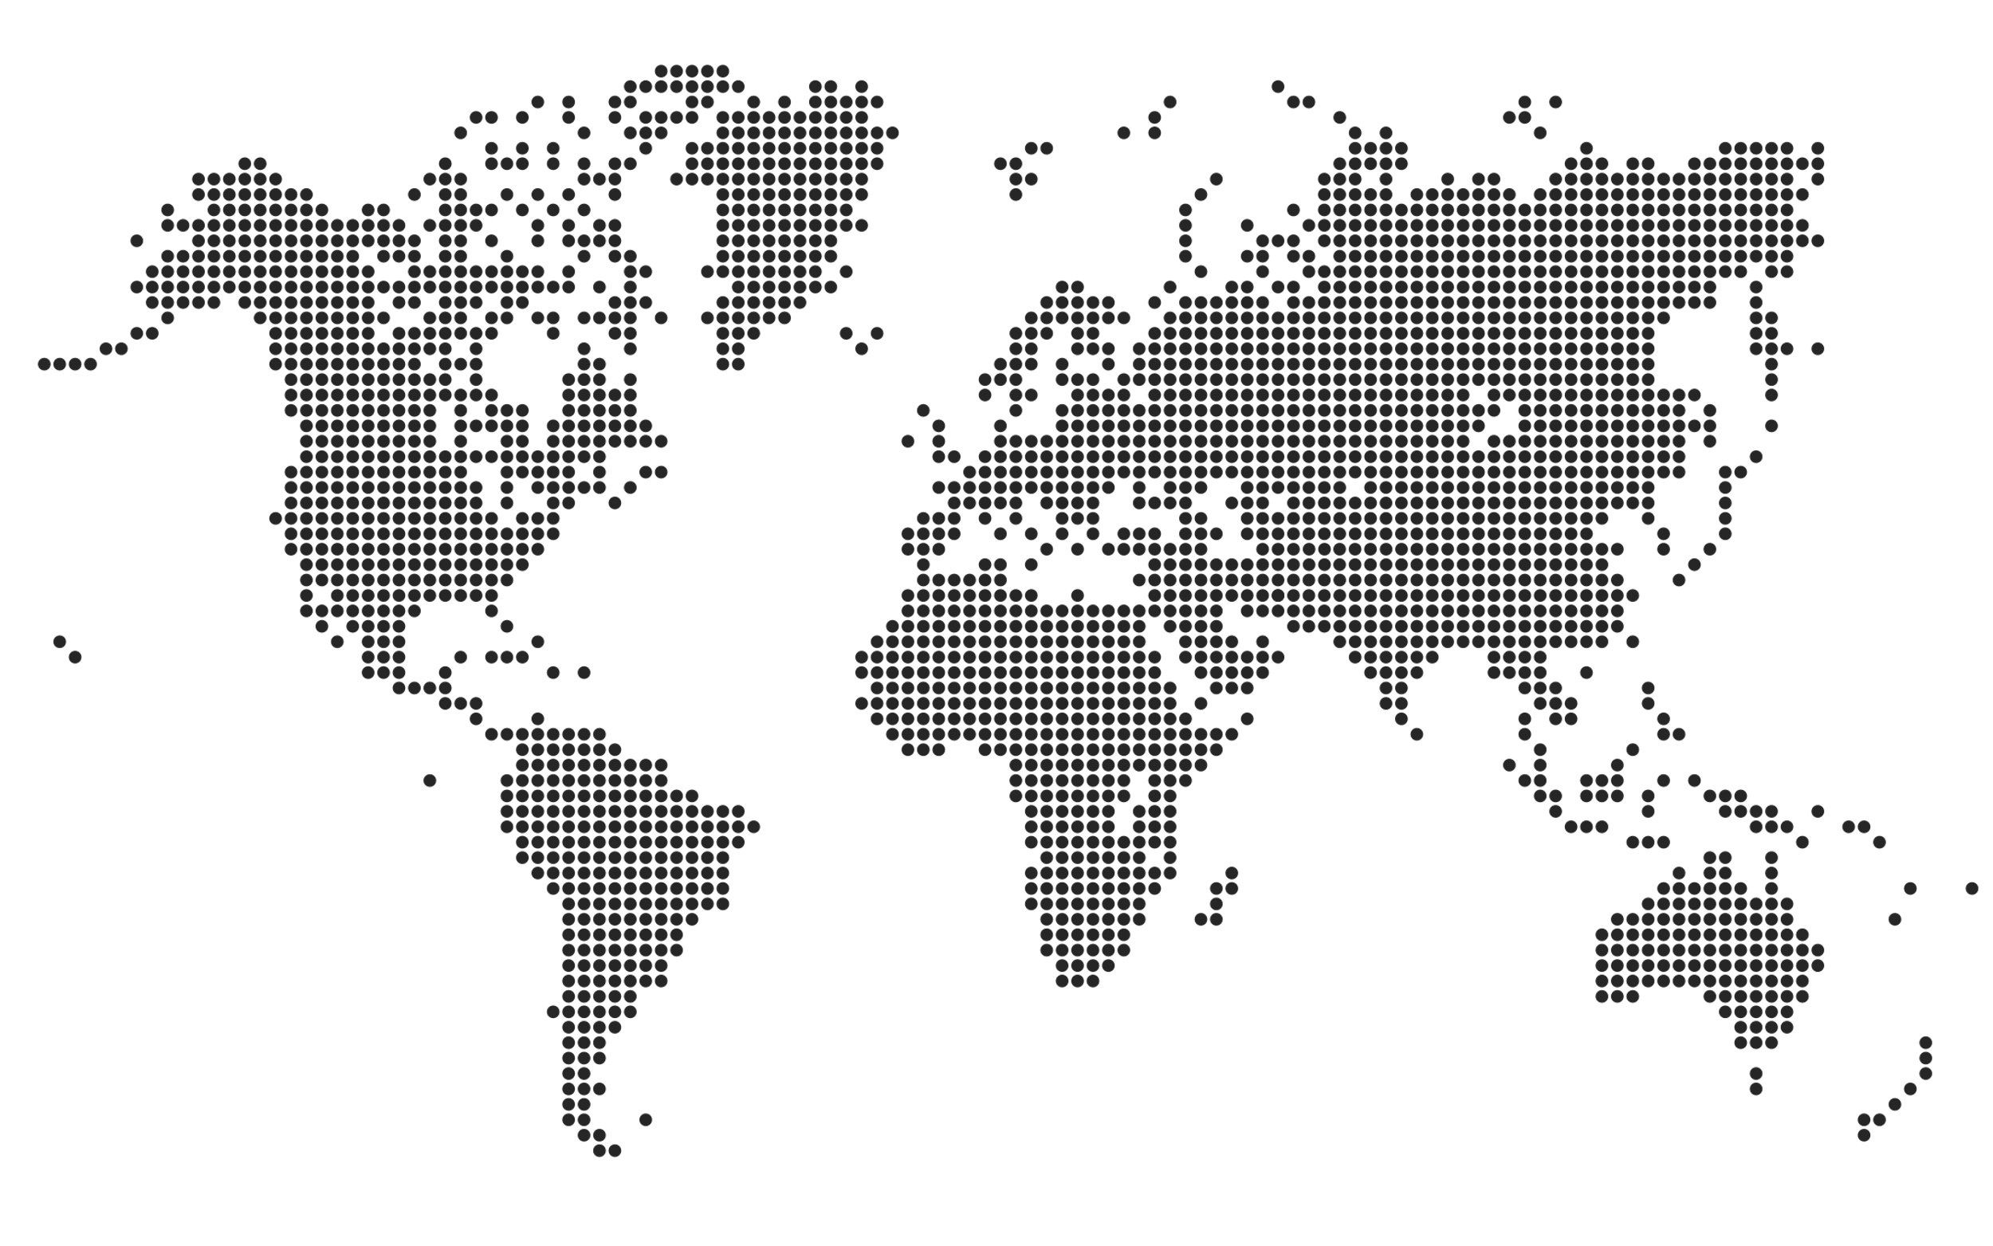
Canada
135.984
$1.287.572

•
•
United Kingdom
210.228
Russia
231.288
•
•
•
•
•
•
•
•
•
•
•
•
•
•
•
•
•
•
•
•
•
•
•
•
•
•
•
•
•
•
•
•
•
•
•
•
•
•
 | Brazil | Canada | Egypt | Russia | United Kingdom | USA
 | 10% | 11% | 27% | 18% | 16% | 19%
•
•
•
•
•
•
•
•
•
•
•
•
•
•
•
•
•
•
•
•
•
•
•
•
•
•
•
•
•
•
•
•
•
•
•
•
•
•
•
•
•
•
•
•
•
•
•
Egypt
342724
26,62%
USA
238460
18,52%
Russia
231288
17,96%
United Kingdom
210228
16,33%
Canada
135984
10,56%
Brazil
128888
10,01%
•
•
•
•
•
•
•
•
•
USA
238.460
•
•
•
•
•
•
Egypt
342.724
•
•

•
•
•
•
•
•
•
Brazil
128.888
•
•
•
•
•
•
•
•
•
•
•
•
•
•
•
•
•
•
•
 |  |  | Y&X
Remaning Precantage | 27% | 0 | 1
Actual | 73% | 0.99528683259 | -0.09697484655
•
•
•
•
•
•
•
•
•
•
•
•
•
•
•
•
•
•
•
•
•
•
•

73%

Sales Precantage
Achieved
9,20%
Payroll Taxes
$118.457
7,40%
Property Taxes
$95.280
6,20%
Excis Taxes
$79.829
23%
Total Taxes
 | 23% | 77.20%

